Issue - No Setup
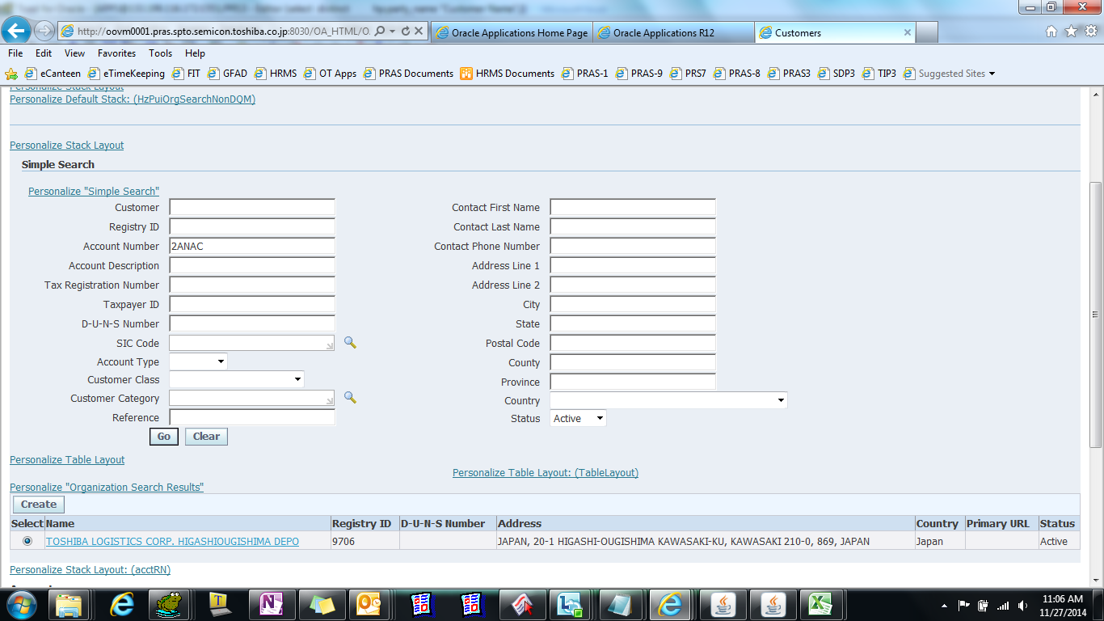
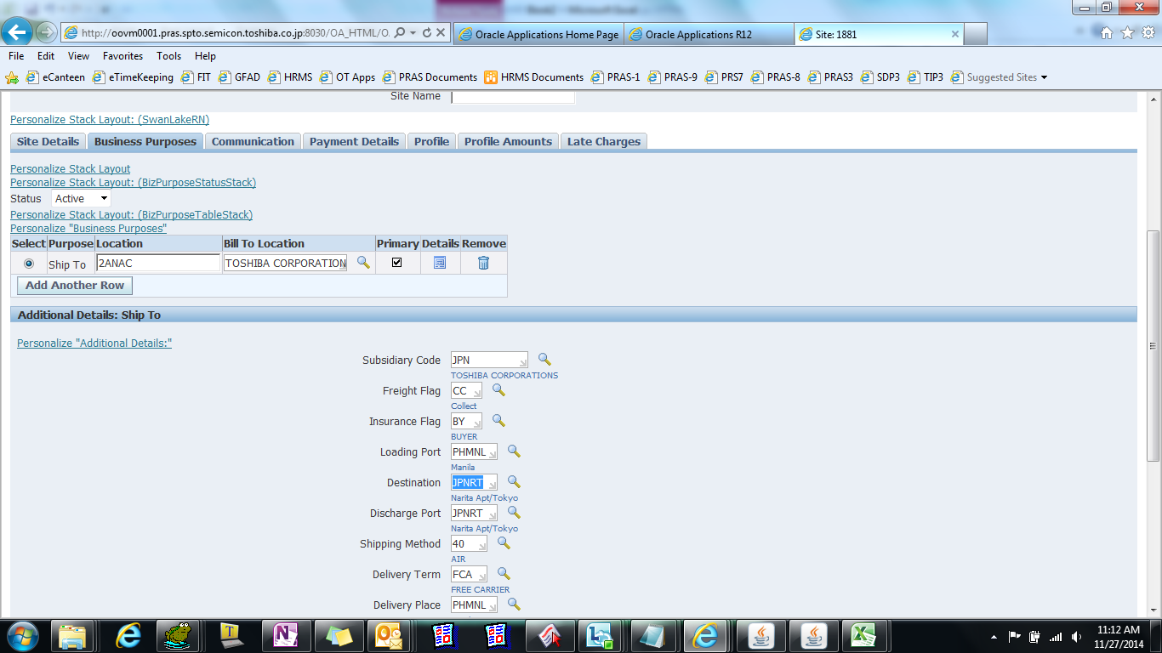
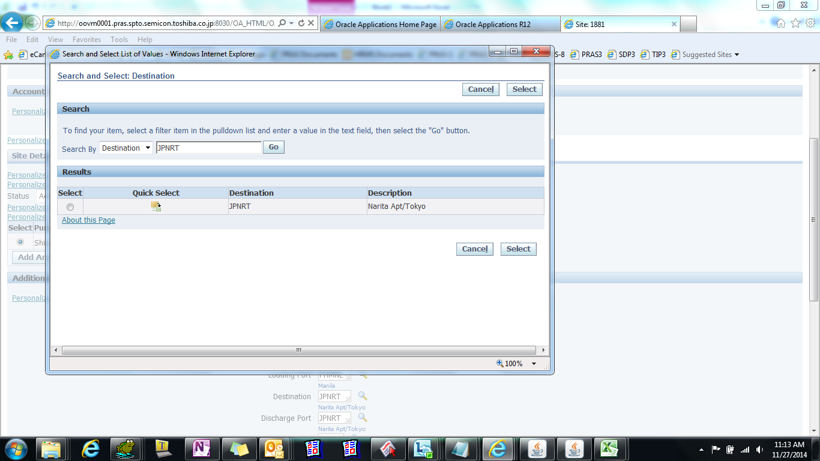
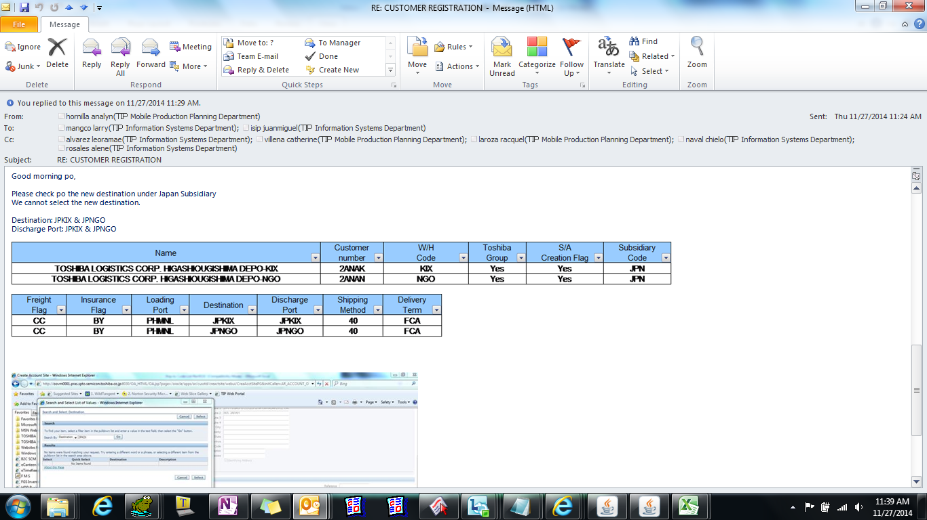

select distinct
hp.party_name "Customer Name",
hca.account_number,
hca.status customer_status,
hcsu.location,
hcsu.site_use_code,
hcsu.status location_status,
hcsu.site_use_id,
hl.address1,
hl.address2,
hl.address3,
hl.city,
hl.state,
hl.postal_code,
hca.cust_account_id,
hcsu.site_use_id customer_site_use_id,
hps.identifying_address_flag primary_address_flag,
HOU.NAME "Operating Unit"
from apps.hz_parties hp,
apps.hz_party_sites hps,
apps.hz_locations hl,
apps.hz_cust_accounts hca,
apps.hz_cust_acct_sites_all hcas,
apps.hz_cust_site_uses_all hcsu,
apps.hz_customer_profiles hcp,
apps.hr_operating_units hou
where hp.party_id = hca.party_id(+)
and hp.party_id = hcp.party_id
and hp.party_id = hps.party_id
and hps.party_site_id = hcas.party_site_id
and hps.location_id = hl.location_id
and hca.cust_account_id = hcas.cust_account_id
and hcas.cust_acct_site_id = hcsu.cust_acct_site_id
and hca.cust_account_id = hcp.cust_account_id
--and hca.account_number = ''
and hp.party_name like 'TOSHIBA LOGISTICS CORP%DEPO%'

Customer Name | ACCOUNT_NUMBER | CUSTOMER_STATUS | LOCATION | SITE_USE_CODE | LOCATION_STATUS | SITE_USE_ID | ADDRESS1 | ADDRESS2 | ADDRESS3 | CITY | STATE | POSTAL_CODE | CUST_ACCOUNT_ID | CUSTOMER_SITE_USE_ID | PRIMARY_ADDRESS_FLAG | Operating Unit
TOSHIBA LOGISTICS CORP. HIGASHIOUGISHIMA DEPO | 2ANAC | A | 2ANAC | SHIP_TO | A | 1254 | 20-1 HIGASHI-OUGISHIMA KAWASAKI-KU, KAWASAKI 210-0 | 869, JAPAN |  |  |  |  | 1209 | 1254 | Y | T090593_TIP_P00_OU

How to Setup
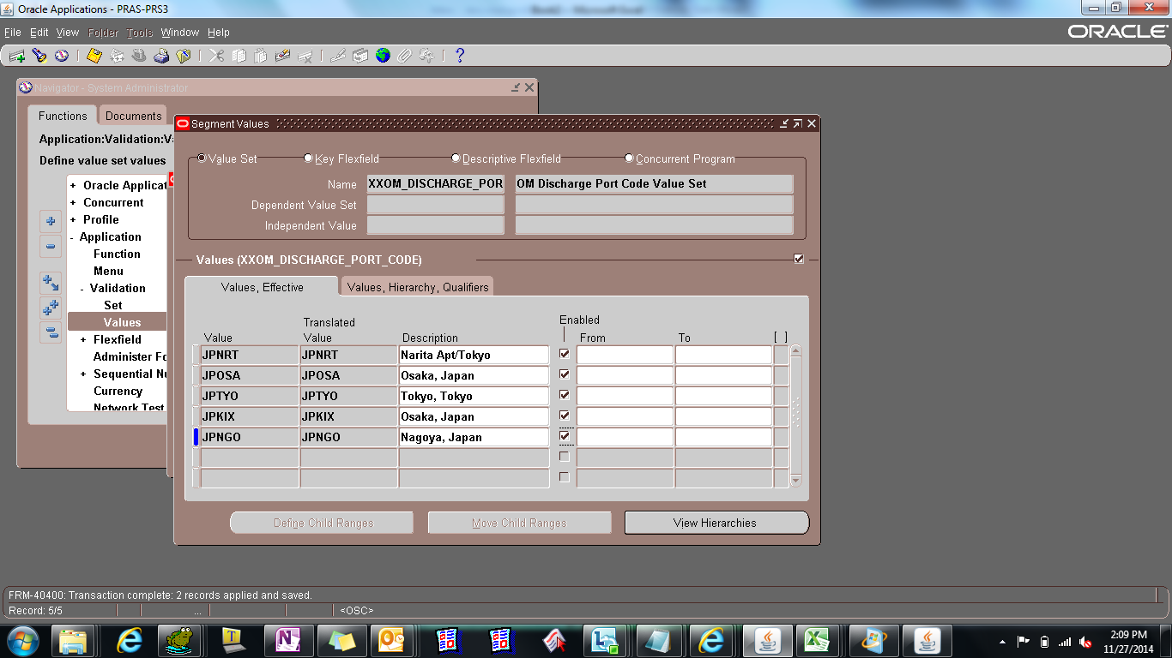
XXOM_DESTINATION_CODE
OM Destination Code Value Set

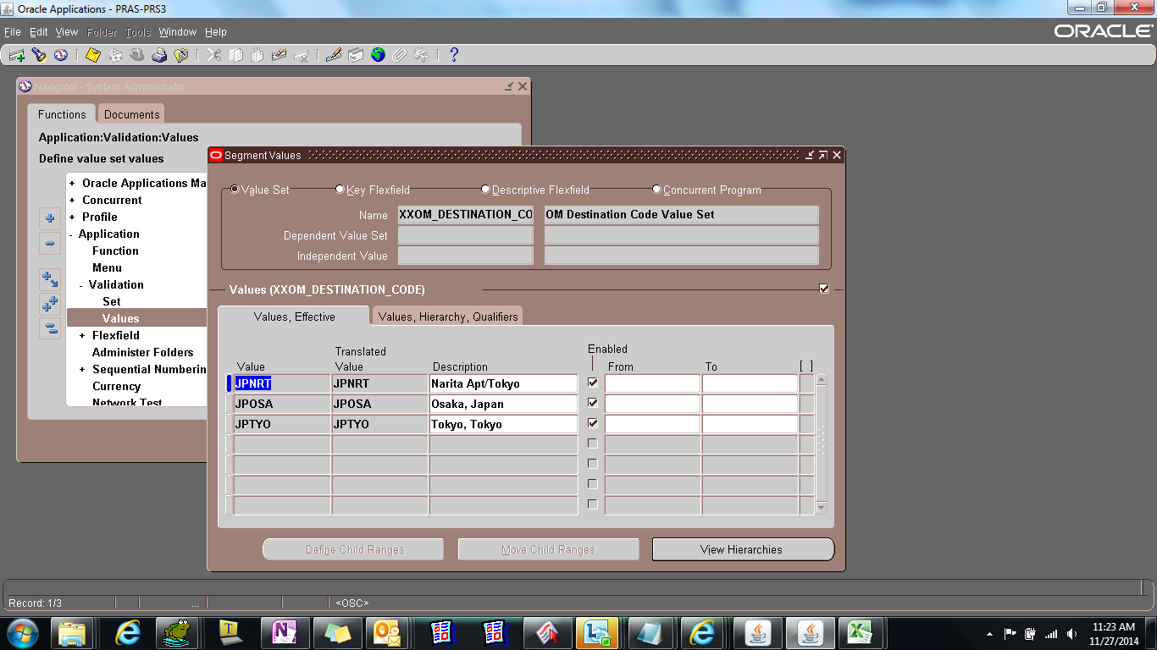

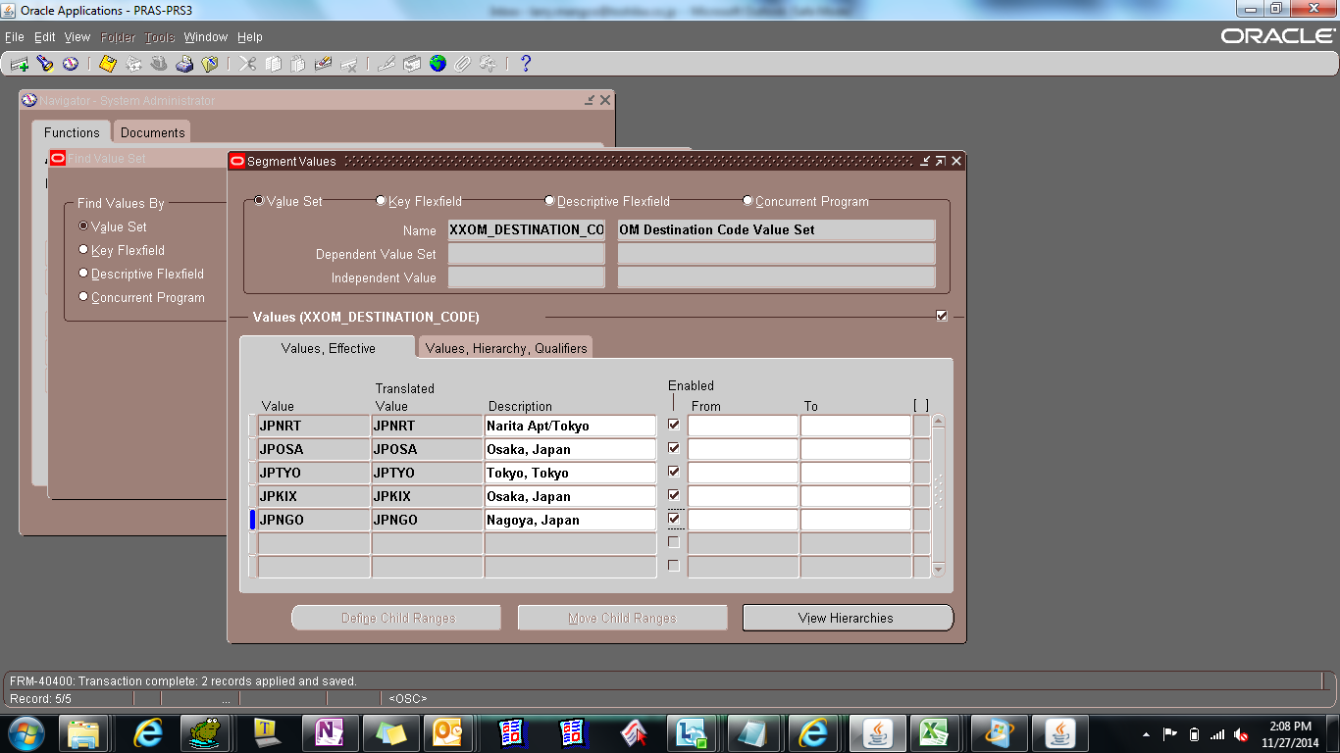

XXOM_DISCHARGE_PORT_CODE
OM Discharge Port Code Value Set

Result
